Home Page

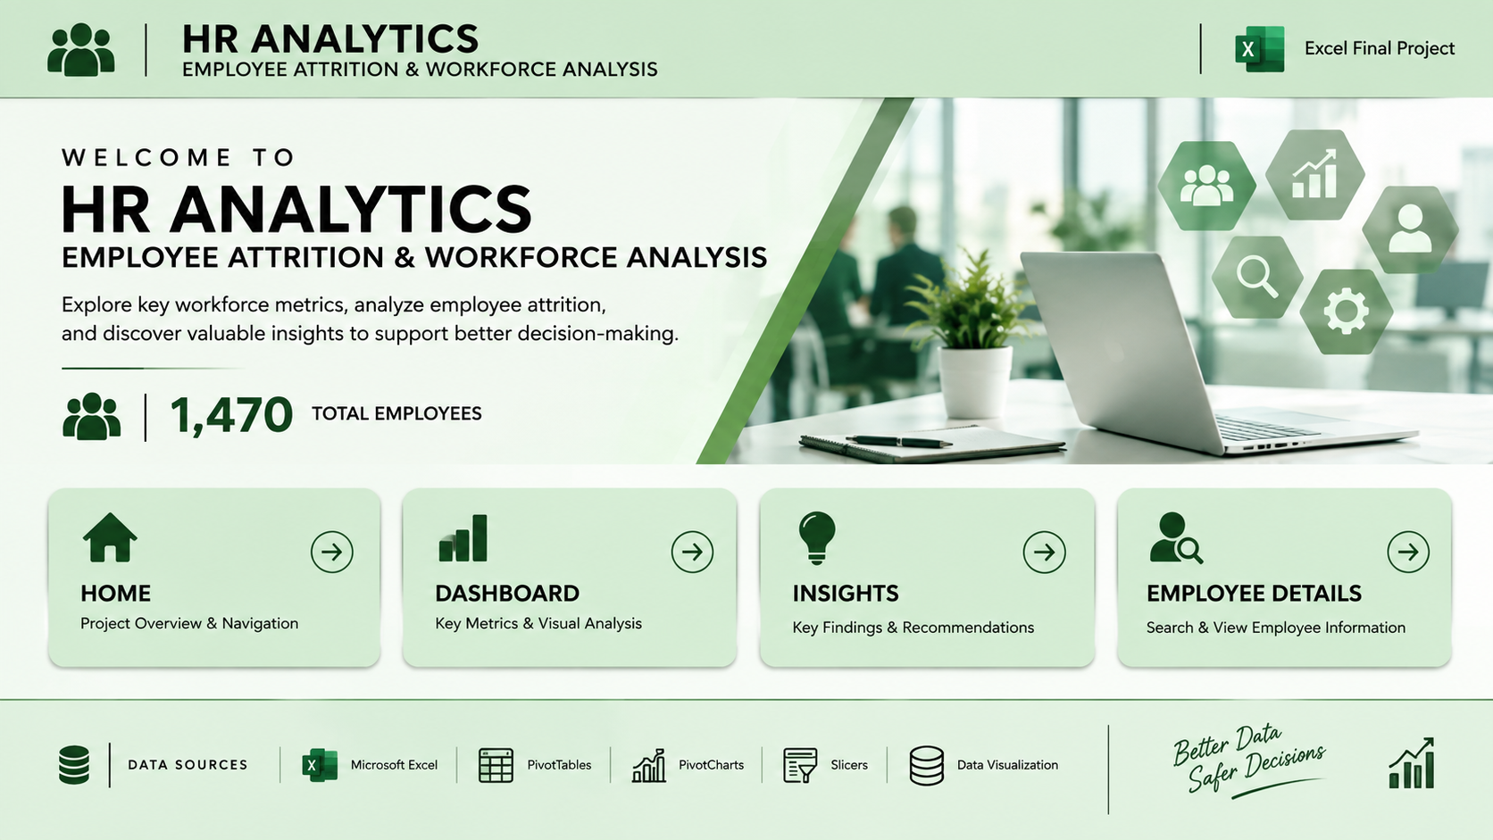

HOME
DASHBOARD
INSIGHTS
EMPLOYE DETAILS

DashBoard
HR ANALYTICS DASHBOARD
Employee Attrition & Workforce Analysis
HR ANALYTICS DASHBOARD
Employee Attrition & Workforce Analysis
KPI
HOME

 | Total
35-44 | 505
55+ | 69
Under 25 | 97
Under 25-35 | 554
Under 45-55 | 245
 | Total
Female | 588
Male | 882
Ex-Employees
237

Current Employees
1233

Workforce Breakdowns & Distributions
1.Age Demographics: The workforce is heavily concentrated in the 35–44 and Under 25–35 age brackets. Employees aged 55+ and under 25 represent the smallest segments of the population.
2.Gender Distribution: There is a significant gender imbalance. Male employees outnumber female employees by a large margin (nearly double the count).
3.Department Breakdown: The R&D (Research & Development) department is by far the largest in the company, followed by Sales. The HR department is the smallest.
4.Business Travel & Overtime: The majority of employees travel rarely for work and do not work overtime, as indicated by the dominant orange/blue segments in the respective donut charts.
5.Job Roles: The workforce is spread across various roles, with Sales Executives, Research Scientists, and Laboratory Technicians making up the largest visual shares on the job role bar chart.

Total Employee
1470
 | Total
Non-Travel | 150
Travel_Frequently | 277
Travel_Rarely | 1043
 | Total
No | 1054
Yes | 416

Attrition Rate
16%

Average Age
36.92
 | Total
HR | 63
R&D | 961
Sales | 446
 | Total
Healthcare Representative | 131
Human Resources | 52
Laboratory Technician | 259
Manager | 102
Manufacturing Director | 145
Research Director | 80
Research Scientist | 292
Sales Executive | 325
Sales Representative | 83
x | 1

Average Monthly Income
₹6,502.93

Insights
HH
HR ANALYTICS
KEY INSIGHTS & FINDINGS
HOME
KPI
DASHBOARD

WORKFORCE OVERVIEW
DEPARTMENT INSIGHTS
Key Information :
1. Sales has 446 employees, with 92 ex-employees.
2. R&D has the largest workforce with 961 employees.
3.HR has 63 employees, with 12 ex-employees.
4. Department-level attrition varies across the three departments.
EMPLOYEE DEMOGRAPHICS
Key Information :
1. Highest Risk: Under-25 employees (39.2%) and single employees (25.5%) have the highest turnover rates.
2. Largest Segment: The 25–34 age group is the biggest workforce driver with 554 employees.
3.Most Stable: Employees aged 35–54 and those who are divorced or married show the lowest attrition (~10%–12.5%).
4.Gender Gap: Males dominate the workforce (882 vs. 588) and leave at a slightly higher rate (17.0% vs. 14.8%).

Total Employee
1470

Current Employees
1233

Ex-Employees
237

Attrition Rate
16%
Work Environment
Key Information :
1. 416 employees work overtime.
2. Overtime employees have an observed attrition rate of 30.5%.
3. Employees who do not work overtime have an observed attrition rate of 10.4%.
4. Job satisfaction and environment satisfaction vary across employees.
5. Work-life balance levels also show differences in attrition.
CAREER DEVELOPMENT
Key Information :
1.Average employee tenure is approximately 7 years.
2.Employees have spent approximately 4.2 years in their current role on average.
3.The average time since the last promotion is approximately 2.2 years.
4.Employees received approximately 2.8 training sessions on average during the last year.

Average Age
36.9 Years

Avg.Last Promotion
2.2 Years

Avg.Current Role
4.2 Years
Overall Findings
1.Employee attrition is 16.1% across the dataset.
2.Department, age, overtime, satisfaction, and career progression show different employee patterns.
3.Overtime status shows a noticeable difference in observed attrition rates.
4.Younger employee groups show different attrition patterns compared with older groups.

Avg.Years Company
7.0 Years

